Estonian R&D system
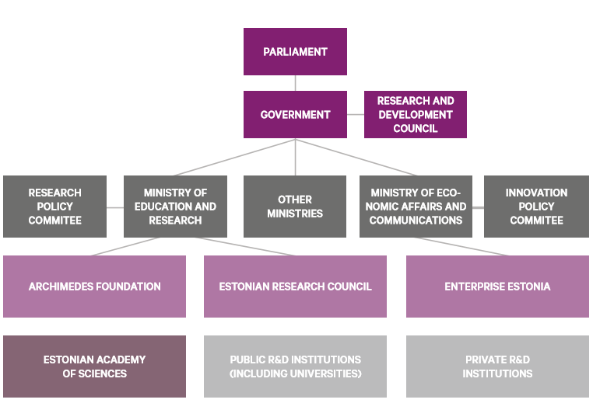
Estonian research and development organization structure
Source: Estonian Research Council

1.3
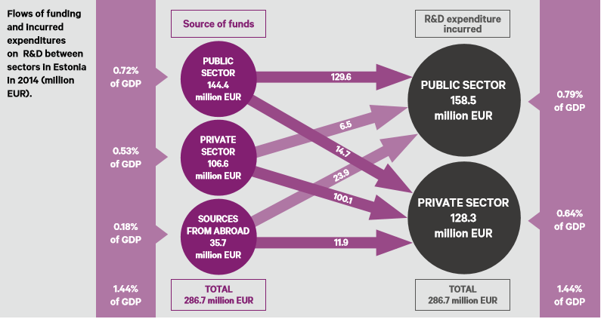
Flows of funding and incurred expenditures on R&D between sectors in Estonia in 2014 (million EUR).
Sources: Statistics Estonia. www.stat.ee (10.10.2016) and Main Science and Technology Indicators Database. (2016). OECD. – www.oecd.org/sti/msti.htm (07.10.2016).

1.5
The research budget of the Ministry of Education and Research and its main components (million EUR) in 2016.
Source: Government Budget.

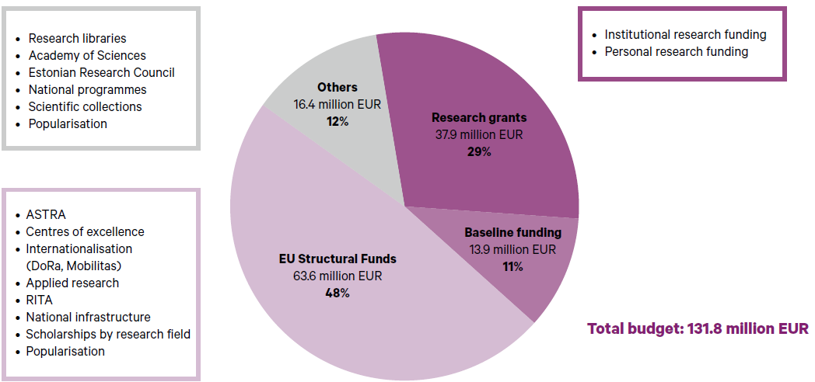
 | proportion | million EUR
Research grants | 29% | 37.9
Baseline funding | 11% | 13.9
EU Structural Funds | 48% | 63.6
Others | 12% | 16.4
 |  | 131.80

1.9
The share of project-based funding in total funding in 2011 (or in any other year on which data is available) and in 2016 (Estonia).
Source: OECD (2014), OECD Science, Technology and Industry Outlook 2014, OECD Publishing. –http://dx.doi.org/10.1787/sti_outlook-2014-en (22.10.2016) and Estonian Research Council (Estonia, 2016).

Initial data:
Dataset: Science Technology and Industry Outlook 2014 |  |  |  |  |  |  |  |  |  |  | Smaller and aggregated version of the table on the left (used on figure 1.9).
Indicator | Project-based funding, % of total funding to national performers |  |  |  |  | Institutional block funding, % of total funding to national performers |  |  |  |  |  | Project-based funding, % of total funding to national performers | Institutional block funding, % of total funding to national performers | Estonia
Year | 2010 | 2011 | 2012 | 2013 | 2014 | 2010 | 2011 | 2012 | 2013 | 2014 | Switzerland | 25 | 75 | Research grants | 73% | 37.9
Country |  |  |  |  |  |  |  |  |  |  | Austria | 26 | 75 | Base funding | 27% | 13.9
Australia | 53.9 | 58.1 | .. | .. | .. | 46.1 | 41.9 | .. | .. | .. | Netherlands | 29 | 71 |  |  | 51.8
Austria | 24.3 | 25.5 | .. | .. | .. | 75.7 | 74.5 | .. | .. | .. | Denmark | 35 | 65 | * Tentative method by Estonian Research Council
Belgium | 54.3 | .. | .. | .. | .. | 45.7 | .. | .. | .. | .. | Israel | 37 | 63
Canada | .. | .. | .. | .. | .. | .. | .. | .. | .. | .. | Germany | 39 | 61
Chile | .. | 76.2 | .. | .. | .. | .. | 23.8 | .. | .. | .. | Norway | 43 | 57
Czech Republic | 48.1 | 47.6 | .. | .. | .. | 51.9 | 52.4 | .. | .. | .. | Czech Republic | 48 | 52
Denmark | 35.9 | 35.3 | .. | .. | .. | 64.1 | 64.7 | .. | .. | .. | Finland | 50 | 50
Estonia | .. | .. | .. | .. | .. | .. | .. | .. | .. | .. | Belgium | 54 | 46
Finland | 52.3 | 49.6 | .. | .. | .. | 47.7 | 50.4 | .. | .. | .. | Australia | 58 | 42
France | .. | .. | .. | .. | .. | .. | .. | .. | .. | .. | Ireland | 65 | 35
Germany | 37.7 | 38.6 | .. | .. | .. | 62.3 | 61.4 | .. | .. | .. | New Zealand | 69 | 31
Greece | .. | .. | .. | .. | .. | .. | .. | .. | .. | .. | Korea | 71 | 29
Hungary | .. | .. | .. | .. | .. | .. | .. | .. | .. | .. | Estonia | 73.0 | 27
Iceland | .. | .. | .. | .. | .. | .. | .. | .. | .. | .. | Chile | 76 | 24
Ireland | 66.7 | 64.9 | .. | .. | .. | 33.3 | 35.1 | .. | .. | ..
Governments support public research by means of institutional and project-based funding. Institutional block grants provide stable long-run funding of research, while project-based funding can promote competition within the research system and target strategic areas. Project funding is defined as funding attributed on the basis of a project submission by a group or individuals for an R&D activity that is limited in scope, budget and time. Institutional funding is defined as the general funding of institutions with no direct selection of R&D projects or programmes (OECD, 2010c). The figure shows the balance between institutional funding and project funding for selected OECD countries. Data are based on an exploratory project carried out by NESTI on public R&D funding (Van Steen, 2012).
Israel | 38.4 | 37.2 | .. | .. | .. | 61.6 | 62.8 | .. | .. | ..
Italy | .. | .. | .. | .. | .. | .. | .. | .. | .. | ..
Japan | .. | .. | .. | .. | .. | .. | .. | .. | .. | ..
Korea | 70.4 | 71.1 | .. | .. | .. | 29.6 | 28.9 | .. | .. | ..
Latvia | .. | .. | .. | .. | .. | .. | .. | .. | .. | ..
Luxembourg | .. | .. | .. | .. | .. | .. | .. | .. | .. | ..
Mexico | .. | .. | .. | .. | .. | .. | .. | .. | .. | ..
Netherlands | 27.3 | 28.8 | .. | .. | .. | 72.7 | 71.2 | .. | .. | ..
New Zealand | 69.1 | .. | .. | .. | .. | 30.9 | .. | .. | .. | ..
Norway | 43.2 | 42.8 | .. | .. | .. | 56.8 | 57.2 | .. | .. | ..
Poland | .. | .. | .. | .. | .. | .. | .. | .. | .. | ..
Portugal | .. | .. | .. | .. | .. | .. | .. | .. | .. | ..
Slovak Republic | .. | .. | .. | .. | .. | .. | .. | .. | .. | ..
Slovenia | .. | .. | .. | .. | .. | .. | .. | .. | .. | ..
Spain | .. | .. | .. | .. | .. | .. | .. | .. | .. | ..
Sweden | .. | .. | .. | .. | .. | .. | .. | .. | .. | ..
Switzerland | 25 | .. | .. | .. | .. | 75 | .. | .. | .. | ..
Turkey | .. | .. | .. | .. | .. | .. | .. | .. | .. | ..
United Kingdom | .. | .. | .. | .. | .. | .. | .. | .. | .. | ..
United States | .. | .. | .. | .. | .. | .. | .. | .. | .. | ..
European Union (28 countries) | .. | .. | .. | .. | .. | .. | .. | .. | .. | ..
OECD - Total | .. | .. | .. | .. | .. | .. | .. | .. | .. | ..
Argentina | .. | .. | .. | .. | .. | .. | .. | .. | .. | ..
Brazil | .. | .. | .. | .. | .. | .. | .. | .. | .. | ..
China (People's Republic of) | .. | .. | .. | .. | .. | .. | .. | .. | .. | ..
Colombia | .. | .. | .. | .. | .. | .. | .. | .. | .. | ..
Costa Rica | .. | .. | .. | .. | .. | .. | .. | .. | .. | ..
India | .. | .. | .. | .. | .. | .. | .. | .. | .. | ..
Indonesia | .. | .. | .. | .. | .. | .. | .. | .. | .. | ..
Lithuania | .. | .. | .. | .. | .. | .. | .. | .. | .. | ..
Malaysia | .. | .. | .. | .. | .. | .. | .. | .. | .. | ..
Russia | .. | .. | .. | .. | .. | .. | .. | .. | .. | ..
South Africa | .. | .. | .. | .. | .. | .. | .. | .. | .. | ..
Chinese Taipei | .. | .. | .. | .. | .. | .. | .. | .. | .. | ..

2.2
Doctorate holders in the working age population (per thousand population aged 25-64, year 2012) and share of doctorate holders working in private sector (in 2011 or 2012)
Sources:
OECD (2015), OECD Science, Technology and Industry Scoreboard 2015: Innovation for growth and society, OECD Publishing, Paris. – http://dx.doi.org/10.1787/sti_scoreboard-2015-en (14.10.2016).
Main Science and Technology Indicators Database. (2016). OECD. – www.oecd.org/sti/msti.htm (14.10.2016).
* Calculations by Estonian Research Council.

 | Women | Men | Total | Share of doctorate holders working in private sector from all working doctorate holders (2011 or 2012)
Switzerland (2013) | 9.54 | 17.96 | 27.50
Austria | 6.71 | 9.05 | 15.76 | 28%
United States | 5.80 | 8.22 | 14.03
Sweden | 5.77 | 7.85 | 13.62
Luxembourg | 3.79 | 9.37 | 13.16
Germany (2013) | 4.74 | 8.15 | 12.89
Israel | 4.86 | 6.95 | 11.81
United Kingdom | 4.26 | 7.47 | 11.73
Finland | 4.50 | 5.89 | 10.39 | 17%
Australia (2011) | 3.39 | 4.82 | 8.21
Canada (2011) | 3.08 | 4.95 | 8.03
New-Zeland (2011) | 3.31 | 4.49 | 7.80
France | 2.96 | 4.66 | 7.62
Ireland | 2.89 | 4.51 | 7.40 | 18%
Norway | 1.97 | 5.31 | 7.29 | 20%
Korea | 1.71 | 5.17 | 6.88
Denmark | 2.47 | 3.88 | 6.35
Spain | 2.77 | 3.50 | 6.27
Slovenia | 2.57 | 3.52 | 6.09 | 18%
Greece (2013) | 2.27 | 3.55 | 5.82 | 6%
Belgium | 1.86 | 3.43 | 5.29 | 25%
Netherlands (2013) | 2.31 | 2.71 | 5.01
Czech Republic | 1.69 | 3.12 | 4.82 | 13%
Hungary | 1.27 | 3.24 | 4.51 | 10%
Poland | 2.03 | 2.41 | 4.44 | 2%
Russia | 2.15 | 2.24 | 4.39 | 21%
Portugal | 1.95 | 2.16 | 4.11 | 16%
FIGURE 2.4.1
TITLE Doctorate holders in the working age population, 2012
SUBTITLE Per thousand population aged 25-64
SOURCE OECD calculations based on OECD data collection on Careers of Doctorate Holders 2014, www.oecd.org.sti/cdh; and other international sources, June 2015.
Estonia | 1.89 | 2.20 | 4.09 | 9%
Italy | 2.00 | 1.92 | 3.91
Slovak Republic | 1.92 | 1.90 | 3.82 | 6%
Chinese Taipei | 0.92 | 2.79 | 3.71 | 16%
Latvia | 1.78 | 1.24 | 3.02

Additional information (by years)
Source: OECD (Main Science and Technology Indicators Database)
Dataset: R-D personnel by sector of employment and qualification
Units for Personnel |  | Headcount
Occupation criteria |  | Total Personnel R&D
Unit |  | Persons
Year | 2007 |  |  |  | 2008 |  |  |  | 2009 |  |  |  | 2010 |  |  |  | 2011 |  |  |  | 2012 (or last available) |  |  |  |  |  |  | 2013 |  |  |  | 2014
Sector of employment | Business enterprise | Government | Higher education | Private non-profit | Business enterprise | Government | Higher education | Private non-profit | Business enterprise | Government | Higher education | Private non-profit | Business enterprise | Government | Higher education | Private non-profit | Business enterprise | Government | Higher education | Private non-profit | Business enterprise | Government | Higher education | Private non-profit | Private sector | Public sector | Share of doctorate holders working in private sector | Business enterprise | Government | Higher education | Private non-profit | Business enterprise | Government | Higher education | Private non-profit
Qualification | Second stage tertiary education - Doctorate level (ISCED 6)
Country
Australia | .. | .. | .. | .. | .. | .. | .. | .. | .. | .. | .. | .. | .. | .. | .. | .. | .. | .. | .. | .. | .. | .. | .. | .. | no data | no data | no data | .. | .. | .. | .. | .. | .. | .. | ..
Austria | 4095 | 1155 | 10320 | 75 | .. | .. | .. | .. | 4350 | 1180 | 11318 | 226 | .. | .. | .. | .. | 5089 | 1200 | 12425 | 236 | 5089 | 1200 | 12425 | 236 | 5325 | 13625 | 28.1% | 6590 | 1214 | 12953 | 240 | .. | .. | .. | ..
Belgium | 4185 | 1057 | 11450 | 110 | 4195 | 1316 | 11588 | 107 | 4238 | 1390 | 12418 | 108 | 4434 | 1441 | 12330 | 111 | 4998 | 1535 | 12600 | 107 | 4998 | 1976 | 13057 | 85 | 5083 | 15033 | 25.3% | 5999.175 | 2008 | 13156 | 93 | .. | .. | .. | ..
Canada | .. | .. | .. | .. | .. | .. | .. | .. | .. | .. | .. | .. | .. | .. | .. | .. | .. | .. | .. | .. | .. | .. | .. | .. | no data | no data | no data | .. | .. | .. | .. | .. | .. | .. | ..
Chile | 92.807 | 189 | 3309.23 | 129 | 104.023 | 242.5 | 3616.98 | 163.7 | 153 | 57 | 3235 | 296 | 157 | 63 | 3454 | 309 | 197.52 | 87.17 | 3882.62 | 381.21 | 253.2 | 100.76 | 4246.09 | 394.02 | 647.22 | 4346.85 | 13.0% | 208.32 | 187.18 | 4470.864 | 278.563 | 209.292 | 191.5 | 4995.083 | 301.146
Czech Republic | 2081.89 | 4446 | 12344 | 39.02 | 2043.52 | 4695 | 12601 | 48.45 | 2237.14 | 4593.13 | 13001.83 | 51.88 | 2380.77 | 4355.479 | 13228.012 | 60.88 | 2667.13 | 4746.85 | 14892 | 86.45 | 2933.16 | 4654.33 | 15240.83 | 69.39 | 3002.55 | 19895.16 | 13.1% | 3165.87 | 4876.91 | 16431.55 | 69.02 | .. | .. | .. | ..
Denmark | 2718.62 | .. | .. | .. | .. | .. | .. | .. | 2441.8 | .. | .. | .. | .. | .. | .. | .. | 2241 | .. | .. | .. | .. | .. | .. | .. | no data | no data | no data | .. | .. | .. | .. | .. | .. | .. | ..
Estonia | 180 | 212 | 2157 | 31 | 233 | 230 | 2231 | 25 | 274 | 251 | 2328 | 28 | 292 | 262 | 2499 | 25 | 280 | 278 | 2584 | 25 | 255 | 275 | 2670 | 27 | 282 | 2945 | 8.7% | 248 | 284 | 2730 | 26 | .. | 281 | 2730 | 35
Finland | 2335.176 | 2185 | 9492 | 219 | 2372.408 | 2193 | 9070 | 237 | 2373.932 | 2195 | 9098 | 249 | 2376.878 | 2292 | 10072.025 | 251 | 2312.941 | 2398 | 10426 | 294 | 2330.035 | 2367 | 10564 | 283 | 2613.035 | 12931 | 16.8% | 2417.3 | 2414 | 10748 | 310 | .. | .. | .. | ..
France | .. | .. | .. | .. | .. | .. | .. | .. | .. | .. | .. | .. | .. | .. | .. | .. | .. | .. | .. | .. | .. | .. | .. | .. | no data | no data | no data | .. | .. | .. | .. | .. | .. | .. | ..
Germany | .. | .. | .. | .. | .. | .. | .. | .. | .. | .. | .. | .. | .. | .. | .. | .. | .. | .. | .. | .. | .. | .. | .. | .. | no data | no data | no data | .. | .. | .. | .. | .. | .. | .. | ..
Greece | 915 | .. | .. | .. | .. | .. | .. | .. | .. | .. | .. | .. | .. | .. | .. | .. | 1132 | 3067 | 17675 | 159 | 1132 | 3067 | 17675 | 159 | 1291 | 20742 | 5.9% | 1050 | 3866 | 18949 | 170 | .. | .. | .. | ..
Hungary | 978 | 2461 | 8564 | .. | 1028 | 2360 | 9283 | .. | 1236 | 2533 | 9306 | .. | 1345 | 2703 | 9108 | .. | 1356 | 2814 | 9430 | .. | 1431 | 2745 | 9911 | 0 | 1431 | 12656 | 10.2% | 1488 | 2802 | 10106 | .. | .. | .. | .. | ..
Iceland | 174 | 225 | 698 | 25 | 181.83 | 235.125 | 729.41 | 26.125 | 139 | 275 | 391 | 35 | .. | .. | .. | .. | 124 | 131 | 821 | 27 | 124 | 131 | 821 | 27 | 151 | 952 | 13.7% | .. | .. | .. | .. | .. | .. | .. | ..
Ireland | 1178.8 | 397 | 6026 | .. | 1265 | 419 | 7712.8 | .. | 1639 | 369 | 7092.06 | .. | 1671.249 | 361 | 6946.02 | .. | 1550 | 370 | 6877.01 | .. | 1550 | 334 | 6808 | 0 | 1550 | 7142 | 17.8% | .. | 374 | 6718.94 | .. | .. | .. | .. | ..
Israel | 3359 | .. | .. | .. | 2910 | .. | .. | .. | 3614 | .. | .. | .. | 2983 | .. | .. | .. | 3145 | .. | .. | .. | 3737 | .. | .. | .. | no data | no data | no data | 3410 | .. | .. | .. | .. | .. | .. | ..
Italy | 2180 | 2554 | .. | 935 | 3377 | 3381 | .. | 1289 | 3740 | 4505 | .. | 1257 | 3127 | 5357 | .. | 1407 | 3318 | 5456 | .. | 1466 | 4027 | 5847 | .. | 1565 | 5592 | no data | no data | 4706 | 6892 | .. | 1756 | .. | .. | .. | ..
Japan | 20333 | 15414 | 108303 | 3275 | 20933 | 14962 | 111317 | 3281 | 22188 | 15999 | 113556 | 3213 | 22626 | 15529 | 116700 | 3202 | 22689 | 15622 | 119308 | 3178 | 22563 | 15609 | 122411 | 3202 | 25765 | 138020 | 15.7% | 22949 | 15687 | 124109 | 3375 | 25069 | 15879 | 126226 | 3642
Korea | .. | .. | .. | .. | .. | .. | .. | .. | .. | .. | .. | .. | .. | .. | .. | .. | .. | .. | .. | .. | .. | .. | .. | .. | no data | no data | no data | .. | .. | .. | .. | .. | .. | .. | ..
Luxembourg | .. | 180 | 139 | .. | .. | .. | 193 | .. | .. | 276 | 272 | .. | .. | .. | .. | .. | .. | .. | .. | .. | .. | .. | .. | .. | no data | no data | no data | .. | .. | .. | .. | .. | .. | .. | ..
Mexico | .. | .. | .. | .. | .. | .. | .. | .. | 1502.14 | .. | .. | .. | 1227.032 | .. | .. | .. | 1085.564 | .. | .. | .. | 2163.007 | .. | .. | .. | no data | no data | no data | 2105.033 | .. | .. | .. | .. | .. | .. | ..
Netherlands | .. | .. | .. | .. | .. | .. | .. | .. | .. | .. | .. | .. | .. | .. | .. | .. | .. | .. | .. | .. | .. | .. | .. | .. | no data | no data | no data | .. | .. | .. | .. | .. | .. | .. | ..
New Zealand | .. | .. | .. | .. | .. | .. | .. | .. | .. | .. | .. | .. | .. | .. | .. | .. | .. | .. | .. | .. | .. | .. | .. | .. | no data | no data | no data | .. | .. | .. | .. | .. | .. | .. | ..
Norway | 2074 | 1984 | 7264 | .. | 2502 | 2013 | 7889 | .. | 2577 | 2380 | 8282 | .. | 2578 | 2519 | 8832 | .. | 2766 | 2697 | 9126 | .. | 3065 | 2793 | 9611 | 0 | 3065 | 12404 | 19.8% | 3030 | 2946 | 10130 | .. | .. | .. | .. | ..
Poland | 1552 | 7679 | 55158 | 26 | 1611 | 7640 | 57080 | 7 | 1159 | 8366 | 58100 | 3 | 1006 | 8898 | 59918 | 21 | 990 | 8746 | 60520 | 34 | 1357 | 8868 | 60526 | 59 | 1416 | 69394 | 2.0% | 1693 | 9121 | 61037 | 63 | .. | .. | .. | ..
Portugal | 1290 | 1750 | 20851 | 3730 | 460 | 1088 | 18804 | 2773 | 512 | 1068 | 18852 | 2854 | 540 | 1133 | 20028 | 3186 | 709 | 1141 | 20538 | 3584 | 667 | 1065 | 21201 | 3556 | 4223 | 22266 | 15.9% | 954 | 1041 | 25951 | 371 | .. | .. | .. | ..
Slovak Republic | 344 | 1872 | 7774 | 2 | 303 | 1816 | 8584 | 2 | 277 | 1973 | 10108 | 7 | 429 | 2068 | 10502 | 83 | 451 | 2112 | 10798 | 76 | 738 | 2120 | 11056 | 58 | 796 | 13176 | 5.7% | 510 | 1986 | 11304 | 19 | 491 | 2246 | 11646 | 19
Slovenia | 357 | 1077 | 2270 | 9 | 411 | 1213 | 2452 | 11 | 432 | 1178 | 2489 | 9 | 580 | 1187 | 2869 | 7 | 928 | 1138 | 2937 | 7 | 909 | 1141 | 2921 | 10 | 919 | 4062 | 18.5% | 1072 | 1192 | 2723 | 7 | .. | .. | .. | ..
Spain | .. | 12465 | 69564 | 234 | .. | 13287 | 71717 | 290 | .. | 14372 | 72249 | 374 | .. | 14995 | 75153 | 276 | .. | 14705 | 75051 | 227 | .. | 14736 | 74949 | 254 | no data | 89685 | no data | .. | 14261 | 75653 | 278 | .. | .. | .. | ..
Sweden | .. | .. | 19044 | .. | .. | .. | .. | .. | .. | .. | 20907 | .. | .. | .. | .. | .. | .. | .. | 23302 | .. | .. | .. | .. | .. | no data | no data | no data | .. | .. | 22807 | .. | .. | .. | .. | ..
Switzerland | .. | .. | .. | .. | .. | .. | .. | .. | .. | .. | .. | .. | .. | .. | .. | .. | .. | .. | .. | .. | .. | .. | .. | .. | no data | no data | no data | .. | .. | .. | .. | .. | .. | .. | ..
Turkey | 820 | 1072 | 39594 | .. | 1040 | 1141 | 41026 | .. | 1187 | 1299 | 43479 | .. | 1271 | 1382 | 46972 | .. | 1688 | 1468 | 55120 | .. | 1803 | 1523 | 60561 | 0 | 1803 | 62084 | 2.8% | 2498 | 1574 | 64197 | .. | 2596 | 1609 | 70903 | ..
United Kingdom | .. | .. | .. | .. | .. | .. | .. | .. | .. | .. | .. | .. | .. | .. | .. | .. | .. | .. | .. | .. | .. | .. | .. | .. | no data | no data | no data | .. | .. | .. | .. | .. | .. | .. | ..
United States | .. | .. | .. | .. | .. | .. | .. | .. | .. | .. | .. | .. | .. | .. | .. | .. | .. | .. | .. | .. | .. | .. | .. | .. | no data | no data | no data | .. | .. | .. | .. | .. | .. | .. | ..
Non-OECD Member Economies | .. | .. | .. | .. | .. | .. | .. | .. | .. | .. | .. | .. | .. | .. | .. | .. | .. | .. | .. | .. | .. | .. | .. | .. | no data | no data | no data | .. | .. | .. | .. | .. | .. | .. | ..
Argentina | .. | .. | .. | .. | .. | .. | .. | .. | .. | .. | .. | .. | .. | .. | .. | .. | .. | .. | .. | .. | .. | .. | .. | .. | no data | no data | no data | .. | .. | .. | .. | .. | .. | .. | ..
China (People's Republic of) | .. | .. | .. | .. | .. | .. | .. | .. | 22375 | 41537 | 114931 | .. | 25059 | 47611 | 129058 | .. | 31024 | 56434 | 144219 | .. | 36032 | 64336 | 163800 | 0 | 36032 | 228136 | 13.6% | 36805 | 71146 | 179529 | .. | 37813 | 76621 | 202875 | ..
Romania | 1294 | 2267 | 10642 | 25 | 1161 | 2551 | 11040 | 99 | 947 | 2451 | 11493 | 25 | 833 | 2380 | 12177 | 78 | 797 | 3073 | 10659 | 112 | 1137 | 3668 | 10552 | 57 | 1194 | 14220 | 7.7% | 1516 | 3913 | 10503 | 45 | .. | .. | .. | ..
Russia | 27058 | 62114 | 15531 | 435 | 25667 | 60811 | 15695 | 361 | 24741 | 61811 | 16044 | 335 | 24153 | 61755 | 20786 | 332 | 24117 | 62279 | 25099 | 348 | 22856 | 63912 | 25411 | 341 | 23197 | 89323 | 20.6% | 22147 | 63830 | 25033 | 151 | 21811 | 63969 | 26614 | 154
Singapore | 1242 | 282 | 4117 | .. | 1246 | 336 | 4565 | .. | 1275 | 420 | 5056 | .. | 1375 | 467 | 5635 | .. | 1460 | 495 | 5799 | .. | 1509 | 424 | 6434 | .. | no data | 6858 | no data | 1617 | 437 | 7057 | .. | .. | .. | .. | ..
South Africa | 1257.692 | 968 | 16738 | 44.606 | 1764.898 | 1032 | 16924 | 50.967 | 1227 | 1135 | 18091 | 53.509 | 896.209 | 1116 | 18414 | 56 | 824.878 | 1106 | 20990 | 49 | .. | .. | .. | .. | no data | no data | no data | .. | .. | .. | .. | .. | .. | .. | ..
Chinese Taipei | 3477.06 | 4365 | 20869 | 370 | 3913.25 | 4879 | 22307 | 298 | 3993.695 | 5148 | 24261 | 298 | 4541.886 | 5699 | 25258 | 263 | 5263.825 | 6083 | 26416 | 336 | 5773.184 | 6291 | 27271.606 | 391 | 6164.184 | 33562.606 | 15.5% | 6613.515 | 6561 | 27226 | 521 | 7068.59 | 6656 | 27248 | 423
Data extracted on 09 Jun 2016 14:28 UTC (GMT) from OECD.Stat

4.2
Productivity (USD per hour worked, current PPP) v. researchers per thousand employment in industry in 2014 or last available.
Source: Main Science and Technology Indicators Database. (2016). OECD. – www.oecd.org/sti/msti.htm (07.10.2016).

 | Business Enterprise researchers per thousand employment in industry | Productivity (GDP per hour worked, USD, current PPP) (2014 or last avaliable)
Finland | 12.22 | 54.2
Denmark | 13.15 | 64.4
Sweden | 14.13 | 57.6
Iceland | 5.9 | 43.5
Belgium | 7.68 | 68.7
France | 8.68 | 64.8
Austria | 8.02 | 58.6
Slovenia | 6.22 | 40.2
Ireland | 8.01 | 65.4
United Kingdom | 4.78 | 50.5
Canada | 6.66 | 51.7
Norway | 8.22 | 86.1
United States | 8.67 | 67
Netherlands | 7.38 | 65.6
Portugal | 3.1 | 35.5
Germany | 6.55 | 64.4
EU28 | 6.25 | 50.8
OECD | 6.25 | 49.3
Greece | 1.62 | 36.4
Estonia | 2.76 | 32.9
Czech Republic | 4.45 | 36.3
Spain | 3.38 | 51.2
Slovak Republic | 1.52 | 39.2
Hungary | 4.84 | 33.3
Poland | 2.03 | 29.9
Italy | 2.55 | 51.5
Turkey | 1.9 | 31.7

productivity = gdp per hour worked
Def: http://www.keepeek.com/Digital-Asset-Management/oecd/industry-and-services/oecd-compendium-of-productivity-indicators-2015/labour-productivity_pdtvy-2015-7-en#page1
Source: http://stats.oecd.org/Index.aspx?DataSetCode=PDB_LV#
Seisuga: 21.04.2016
Additional information (OECD, MSTI andmebaas)
 | Total researchers per thousand total employment |  |  | Business Enterprise researchers per thousand employment in industry |  |  |  | GDP per hour worked
 | 2012 | 2013 | 2014 | 2012 | 2013 | 2014 | Measure | USD, current prices, current PPPs
Austria | 9.34 | 9.56 | 9.61 | 7.74 | 7.99 | 8.02 | Unit | US Dollar
Belgium | 10.02 | 10.22 | 10.3 | 7.52 | 7.67 | 7.68 |  | 2013 | 2014 | 2015
Canada | 9.06 | 8.82 | 8.82 | 7.1 | 6.66 | 6.66 | Austraalia | 56.2 | 55.8 | ..
Chile | 0.89 | 0.76 | 0.96 | 0.38 | 0.26 | 0.42 | Austria | 58.1 | 58.6 | 59.5
Czech Republic | 6.56 | 6.74 | 7.05 | 3.78 | 4.1 | 4.45 | Belgia | 68.2 | 68.7 | ..
Denmark | 14.63 | 14.7 | 14.7 | 13.46 | 13.13 | 13.15 | Kanada | 50.5 | 51.7 | ..
Estonia | 7.72 | 7.33 | 7.11 | 3.2 | 3.06 | 2.76 | Tšiili | 24.8 | 25.7 | ..
Finland | 15.95 | 15.56 | 15.32 | 13.02 | 12.6 | 12.22 | Tšehhi | 35.3 | 36.3 | 36.8
France | 9.52 | 9.79 | 9.88 | 8.34 | 8.66 | 8.68 | Taani | 64.2 | 64.4 | 64.8
Germany | 8.38 | 8.37 | 8.42 | 6.48 | 6.42 | 6.55 | Eesti | 31.9 | 32.9 | 32.0
Greece | 6.04 | 7.39 | 7.49 | 1.38 | 1.39 | 1.62 | Soome | 53.9 | 54.2 | 55.2
Hungary | 5.95 | 6.19 | 6.19 | 4.29 | 4.65 | 4.84 | Prantsusmaa | 64.5 | 64.8 | ..
Iceland | .. | 11.15 | 11.15 | .. | 5.9 | 5.9 | Saksamaa | 63 | 64.4 | 65.4
Ireland | 8.69 | 8.95 | 9.11 | 7.32 | 7.83 | 8.01 | Kreeka | 35.9 | 36.4 | 36
Israel | 17.38 | .. | 17.38 | 22.78 | 21.5 | 21.5 | Ungari | 33.7 | 33.3 | 33.9
Italy | 4.47 | 4.78 | 4.93 | 2.23 | 2.4 | 2.55 | Island | 42.8 | 43.5 | ..
Japan | 10.03 | 10.18 | 10.47 | 9.2 | 9.25 | 9.59 | Iirimaa | 64.1 | 65.4 | ..
Korea | 12.79 | 12.84 | 13.49 | 12.4 | 12.59 | 13.39 | Iisrael | 37.7 | 38.1 | ..
Luxembourg | 6.1 | 6.49 | 6.44 | 3.14 | 3.34 | 3.37 | Itaalia | 51.4 | 51.5 | 52.1
Netherlands | 8.29 | 8.76 | 8.64 | 6.96 | 7.54 | 7.38 | Jaapan | 41.5 | 41.3 | ..
Norway | 10.37 | 10.42 | 10.69 | 7.75 | 7.78 | 8.22 | Korea | 31.5 | 31 | ..
Poland | 4.33 | 4.62 | 5 | 1.24 | 1.7 | 2.03 | Luksemburg | 89.8 | 91.8 | ..
Portugal | 9.28 | 8.5 | 8.51 | 3.45 | 3 | 3.1 | Mehhiko | 19.1 | 20.6 | ..
Slovak Republic | 6.91 | 6.72 | 6.63 | 1.43 | 1.42 | 1.52 | Holland | 65.1 | 65.6 | 67
Slovenia | 9.48 | 9.42 | 9.22 | 6.13 | 6.29 | 6.22 | Uus-Meremaa | 42 | 41.7 | ..
Spain | 6.91 | 6.92 | 6.8 | 3.32 | 3.42 | 3.38 | Norra | 88.2 | 86.1 | ..
Sweden | 10.65 | 13.74 | 14.07 | 9.9 | 13.88 | 14.13 | Poola | 29.6 | 29.9 | ..
Switzerland | 7.53 | .. | 7.53 | 4.68 | .. | 4.68 | Portugal | 35.3 | 35.5 | 36.1
Turkey | 3.31 | 3.49 | 3.46 | 1.66 | 1.85 | 1.9 | Slovakkia | 38.2 | 39.2 | 40.2
United Kingdom | 8.63 | 8.91 | 8.9 | 4.24 | 4.57 | 4.78 | Sloveenia | 39.2 | 40.2 | 41.3
United States | 8.74 | .. | 8.74 | 8.67 | .. | 8.67 | Hispaania | 50.7 | 51.2 | 52
European Union (28 countries) | 7.47 | 7.72 | 7.78 | 4.77 | 5.03 | 5.14 | Rootsi | 57.6 | 57.6 | 59.4
European Union (15 countries) | 8.19 | 8.46 | 8.5 | 5.6 | 5.85 | 5.95 | Šveits | 63 | 63.2 | ..
OECD - Total | 7.78 | .. | 7.78 | 6.25 | .. | 6.25 | Türgi | 32.1 | 31.7 | ..
China (People's Republic of) | 1.83 | 1.93 | 1.97 | .. | .. | .. | Suurbritannia | 50 | 50.5 | 51.5
Romania | 2.08 | 2.17 | 2.1 | 0.66 | 0.71 | 0.69 | USA | 65.7 | 67 | ..
Russia | 6.2 | 6.17 | 6.22 | 3.81 | 3.81 | 3.84 | EU 19 | 56.3 | 56.9 | ..
Chinese Taipei | 12.9 | 12.87 | 12.91 | 9.79 | 9.9 | 10.08 | EU 28 | 50.3 | 50.8 | ..
Data extracted on 05 May 2016 10:27 UTC (GMT) from OECD.Stat |  |  |  |  |  |  | OECD kokku | 48.7 | 49.3 | ..
 |  |  |  |  |  |  | Läti | 26.5 | 27.6 | 28.8
 |  |  |  |  |  |  | Leedu | 33 | 33.6 | 33.7
 |  |  |  |  |  |  | Venemaa | 22.9 | 23.7 | ..
 |  |  |  |  |  |  | LAV | 20.8 | 21.1 | ..
 |  |  |  |  |  |  | Data extracted on 21 Apr 2016 12:09 UTC (GMT) from OECD.Stat

4.5
Researchers with a PhD in the various parts of the Estonian business sector.
Source: Statistics Estonia. www.stat.ee (20.10.2016).

Field of activity: | 1998 | 1999 | 2000 | 2001 | 2002 | 2003 | 2004 | 2005 | 2006 | 2007 | 2008 | 2009 | 2010 | 2011 | 2012 | 2013 | 2014
Manufacturing | 12 | 20 | 18 | 19 | 25 | 36 | 49 | 43 | 25 | 45 | 37 | 32 | 32 | 38 | 26 | 22 | 18
Electricity supply | 0 | 0 | 0 |  | 0 | 1 | 1 | 1 | 3 | 4 | 2 | 3 | 5 | 4 | 6 | 8 | 8
Wholesale and retail trade | 7 | 7 | 3 | 6 | 5 | 3 | 6 | 11 | 11 | 6 | 4 | 1 | 2 | 4 | 3 | 1 | 1
Information and communication | 10 | 12 | 11 | 12 | 14 | 11 | 27 | 31 | 27 | 24 | 53 | 46 | 46 | 42 | 32 | 33 | 35
Finance |  |  |  |  |  | 1 | 2 | 1 | 5 | 3 | 5 | 6 | 4 | 6 | 4 | 3 | 3
Research and development | 33 | 30 | 22 | 10 | 9 | 20 | 21 | 55 | 53 | 71 | 130 | 178 | 196 | 180 | 176 | 175 | 180
Other business activities | 9 | 17 | 10 | 19 | 21 | 19 | 14 | 20 | 28 | 26 | 0 | 0 | 0 | 0 | 0 | 0 | 0
Other | 11 | 0 | 0 | 0 | 0 | 42 | 2 | 3 | 3 | 1 | 0 | 6 | 2 | 4 | 5 | 6 | 7
Economic activities total | 82 | 86 | 64 | 66 | 74 | 133 | 122 | 165 | 155 | 180 | 231 | 272 | 287 | 278 | 252 | 248 | 252
Fields of activity have been consolidated by U. Varblane according to his expert opinion and do not directly respond to those found in Statistics Estonia EMTAK classification system.
The initial data could be found below.

Additional data (as in Statistics Estonia) (rows marked with colours have been consolidated in table above)

 | 1998 | 1999 | 2000 | 2001 | 2002 | 2003 | 2004 | 2005 | 2006 | 2007 | 2008 | 2009 | 2010 | 2011 | 2012 | 2013 | 2014
Economic activities total | 83 | 89 | 65 | 68 | 74 | 133 | 122 | 165 | 155 | 180 | 234 | 274 | 292 | 280 | 255 | 248 | 254
Manufacturing | 12 | 20 | 18 | 19 | 25 | 36 | 49 | 43 | 25 | 45 | 37 | 32 | 32 | 38 | 26 | 22 | 18
Electricity, gas, steam and air conditioning supply | 0 | 0 | 0 | . | 0 | 1 | 1 | 1 | 3 | 4 | 2 | 3 | 5 | 4 | 6 | 8 | 8
Wholesale and retail trade; repair of motor vehicles and motorcycles | 7 | 7 | 3 | 6 | 5 | 3 | 6 | 11 | 11 | 6 | 4 | 1 | 2 | 4 | 3 | 1 | 1
Information and communication | 10 | 12 | 11 | 12 | 14 | 11 | 27 | 31 | 27 | 24 | 53 | 46 | 46 | 42 | 32 | 33 | 35
Financial and insurance activities | .. | .. | .. | .. | .. | 1 | 2 | 1 | 5 | 3 | 5 | 6 | 4 | 6 | 4 | 3 | 3
Real estate activities |  |  |  |  |  |  |  |  |  | 0 | 0 | 0 |  | 0 | 0 | 0 | 0
Professional, scientific and technical activities | 33 | 30 | 22 | 10 | 9 | 20 | 21 | 55 | 53 | 71 | 130 | 178 | 196 | 180 | 176 | 175 | 180
Administrative and support service activities |  |  |  |  |  |  |  |  |  |  |  | 1 | 2
Public administration and defence, compulsory social security | 11 |  |  |  | 0 | 42 | 2 | 3 | 3 | 1 | 0 | 0 | 0 | 0 | 0 | 0 | 0
Human Health |  |  |  |  |  |  |  |  |  |  |  | 5 |  | 4 | 5 | 6 | 7
Other services; extraterritorial activities. | 9 | 17 | 10 | 19 | 21 | 19 | 14 | 20 | 28 | 26 | 0 | 0 | 0 | 0 | 0 | 0 | 0

4.10
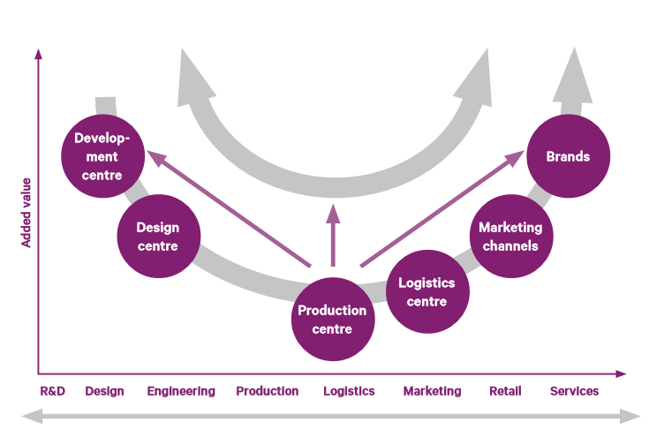
Various options for increasing labour productivity by changing the company’s place in the international value chain.
Source: Urmas Varblane, Uku Varblane
Varblane, U., Varblane, U. (2009). Tööjõu tootlikkus ja selle muutused Eesti majanduses rahvusvahelises võrdluses. – Eesti majanduse aktuaalsed arenguprobleemid keskpikas perspektiivis. Tartu: Tartu Ülikooli Kirjastus, lk. 134–171.

